Sheet1
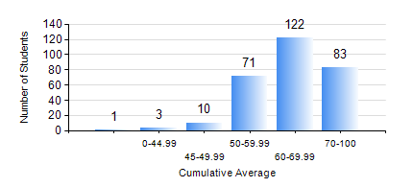
 |  |  | KWAME NKRUMAH UNIVERSITY OF SCIENCE AND TECHNOLOGY, KUMASI Department of Civil Engineering

 |  |  | BSC. CIVIL ENG.

 |  |  | COMPREHENSIVE RECORD OF EXAMINATION RESULTS

 |  |  | RESULTS OF YEAR 4 SECOND SEMESTER, 2023/2024 ACADEMIC YEAR

 | Sn | Course Code |  | Course Name | Credit Hours | Min. Mark | Max. Mark | Avg. Mark | Std. Dev. | No. Passed | No. Trailed | No. (Df) | No. (I) | No. (I*) | No. Tagged(I,I*,Df) | Total
 | 0. |  |  |  |  |  |  | 0 | 0 | 0 | 0 | 0 | 0 | 0 | 0 | 4
 | 1. | CE 456 |  | STRUCTURAL DYNAMICS | 3 | 30 | 98 | 76 | 13.64 | 80 | 2 | 0 | 0 | 0 | 0 | 82
 | 2. | CE 458 |  | WATER RESOURCES ENGINEERING II | 3 | 31 | 91 | 71 | 9.99 | 204 | 1 | 6 | 1 | 0 | 7 | 212
 | 3. | CE 462 |  | CONSTRUCTION MANAGEMENT | 3 | 40 | 94 | 64 | 12.01 | 282 | 0 | 0 | 4 | 0 | 4 | 286
 | 4. | CE 464 |  | ENVIRONMENTAL QUALITY ENGINEERING II | 3 | 41 | 95 | 75 | 9.92 | 267 | 0 | 0 | 1 | 0 | 1 | 268
 | 5. | CE 468 |  | TRANSPORTATION ENGINEERING | 3 | 20 | 93 | 64 | 13.52 | 178 | 2 | 1 | 1 | 0 | 2 | 182
 | 6. | CE 476 |  | SYSTEM ENGINEERING II | 3 | 58 | 83 | 71 | 6.12 | 25 | 0 | 0 | 0 | 0 | 0 | 25
 | 7. | CE 478 |  | GROUND ENGINEERING | 3 | 15 | 90 | 56 | 15.07 | 78 | 12 | 1 | 0 | 0 | 1 | 91
 | 8. | CE 498 |  | PROJECT | 4 | 59 | 95 | 81 | 9.71 | 284 | 0 | 1 | 1 | 0 | 2 | 286

